Sheet1
Bug Report From API Testing |  |  | 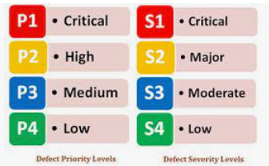

Product | Pipedrive CRM
Product type | Pipedrive CRM Deals API
Testing Technique Used | Exploratory API Testing
Tests Executed By | Fahad Alamgir
Date | 2023-06-12

Bug ID | Bug Title | Bug Summary | Bug Description | Steps to reproduce | Severity | Priority | Status | Attachement | Remarks | Reported By
DEF_1 | Deal Visibility | The deal can be created without providing visible_to parameter in the API payload to create a deal. | When the post request with a payload without visibile_to parameter is send to the server then deal is created with a default visibility. | Request Payload { "visible_to":0, "pipeline_id":1, "stage_id":5, "title":"", "person_id":86, "org_id":82, "value":"121", "currency":"EUR", "expected_close_date":"2023-06-27" } Remove the visible_to parameter and send the request to the server then it will create a deal with "item owner’s visibility group " | Major | High | Not Fixed | 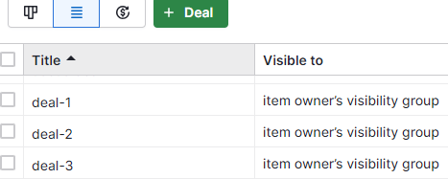 | Deal should not be created without visible_to parameter | Fahad Alamgir
DEF_2 | Currency value in division | The deal can be created by providing the currency value in divisible format in the API payload to create a deal. | When the post request with a payload with a currency value in a format like 121/2 is send to the server then deal is created with only an integer value like 121 and not converting it to float and accepting the value without showing any error in the API response. | Request Payload { "visible_to":4, "pipeline_id":1, "stage_id":5, "title":"deal-8", "person_id":86, "org_id":82, "value":"121/2", "currency":"PKR", "expected_close_date":"2023-06-27" } send the payload in the post request body to reproduce the bug | Low | Low | Not Fixed |  | The API should not process a request with parameter involve division of two numbers. It can cause the buffer overflow problem. | Fahad Alamgir
DEF_3 | Deal can be created by leaving organization id empty | The deal can be created by leaving the org_id as empty in the API payload to create a deal. | When the post request with a payload with empty org_id is send to the server then deal is created with empty organization without showing any error in the API response. | Request Payload { "visible_to":"", "pipeline_id":10, "stage_id":5, "title":"deal-8", "person_id":86, "org_id":"", "value":"0.", "currency":"FJD", "expected_close_date":"2023-06-27" } send the payload in the post request body to reproduce the bug | Moderate | Medium | Not Fixed |  | The API should not process a request without org_id. | Fahad Alamgir
DEF_4 | Deal can be created with only currency, value and the deal title | The deal can be created by leaving all the request parameters empty except the currency, value and deal title in the API payload to create a deal. | When the post request with a payload with empty parameters is send to the server then deal is created without showing any error in the API response. | Request Payload { "visible_to":"", "pipeline_id":"", "stage_id":"", "title":"Deal 9", "person_id":"", "org_id":"", "value":"0.", "currency":"XPD", "expected_close_date":"" } send the payload in the post request body to reproduce the bug | Moderate | Medium | Not Fixed |  | The API should throw an error on providing empty parameters. | Fahad Alamgir
DEF_5 | Deal can be created by providing wrong date input | The deal can be created by providing wrong date input like inserting wild card or special characters for the date parameter in the API payload. | When the post request with a payload with wrong date parameter value is send to the server then deal is created without showing any error in the API response. While leaving the expected_close_date as empty on the UI. | Request Payload { "visible_to":"", "pipeline_id":"", "stage_id":"", "title":"Deal 10", "person_id":"", "org_id":"", "value":"0.", "currency":"XPD", "expected_close_date":"-#//##02" } send the payload in the post request body to reproduce the bug. | Moderate | Medium | Not Fixed |  | Deal should not be created without other necessary parameters | Fahad Alamgir
DEF_6 | Deal can be created by providing wrong visibility value | The deal can be created by providing wrong visibility value input like special characters for the visibility parameter in the API payload. | When the post request with a payload with wrong visible_to parameter value is send to the server then deal is created without showing any error in the API response. | Request Payload { "visible_to":"654###DAD", "pipeline_id":"", "stage_id":"", "title":"Deal 11", "person_id":"I am ID", "org_id":"", "value":"0.", "currency":"XPD", "expected_close_date":"-#//##02" } send the payload in the post request body to reproduce the bug | Moderate | Medium | Not Fixed |  | Wrong visible_to parameter value should through an error | Fahad Alamgir
DEF_7 | API Security | No extra layer for authentication is required to access the API. | The API is accessible with the session token attached in the request query parameter | Request Payload { "visible_to":7, "pipeline_id":1, "stage_id":5, "title":"sdasd deal", "person_id":86, "org_id":82, "value":"121", "currency":"EUR", "expected_close_date":"2023-06-27" } send the payload in the post request body to reproduce the bug | Low | Low | Not Fixed | 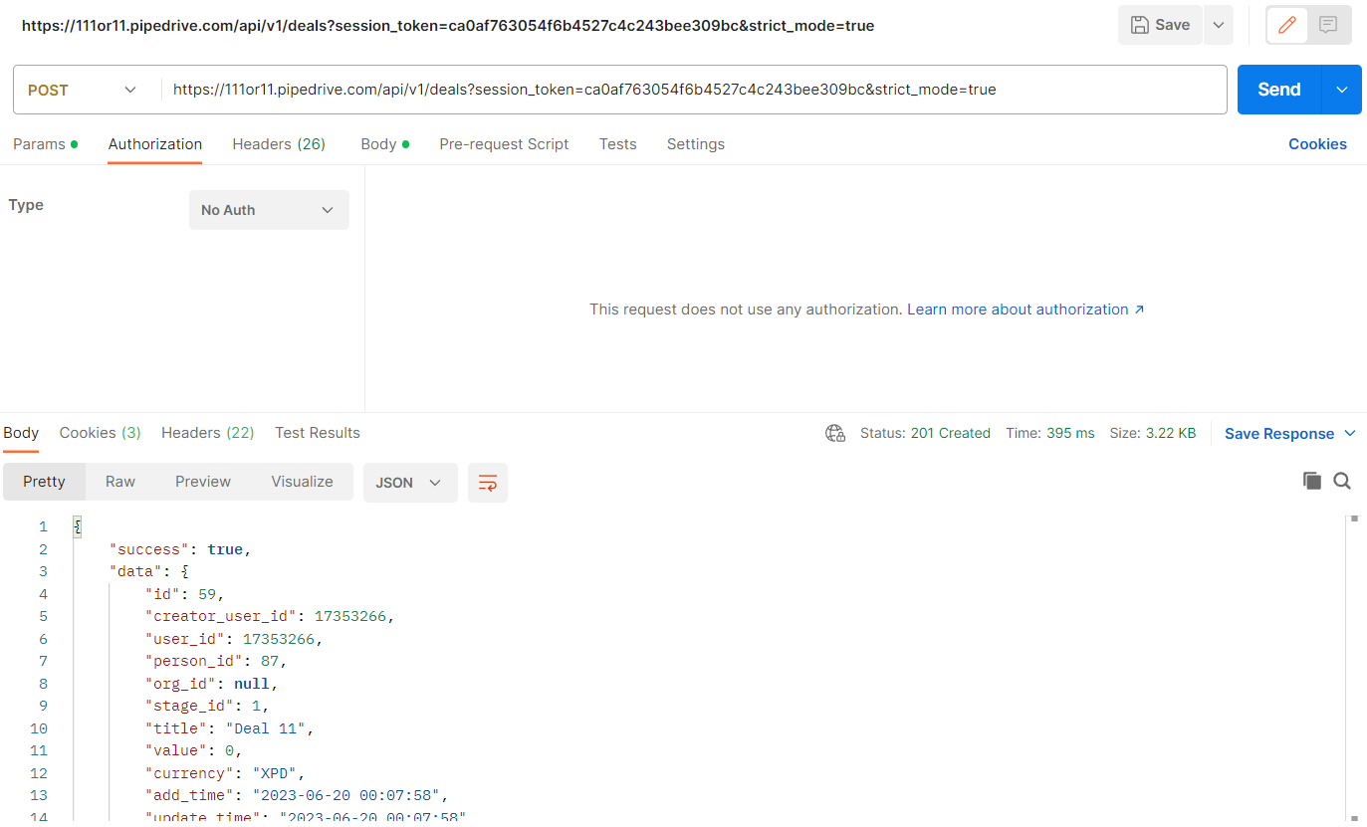 | extra layer of security is recommended but not necessary | Fahad Alamgir
DEF_8 | Deal can be created with pipeline_id as a divisible value | Pipeline_id parameter value can be passed as a divisible in the payload of the API | The deal is created with a default pipeline_id when sending the pipeline_id as divisible parameter in the post request to the API server, without throwing any error in the API response. | Request Payload { "visible_to":"654###DAD", "pipeline_id":"0/0", "stage_id":"1", "title":"Deal 14", "person_id":"I am ID", "org_id":"#$#@#!{{", "value":"0.0009", "currency":"CAD", "expected_close_date":"//////" } send the payload in the post request body to reproduce the bug | Moderate | Medium | Not Fixed |  | Divisible values should not be allowed since they could cause buffer overflow error | Fahad Alamgir
DEF_9 | Deal can be created by providing extra slashes in date value parameter | The expected _close_date parameter can be provided with value including extra slashes to create a deal | The deal can be created when sending the expected_close_date parameter with extra slashes in the post request to the API server, without getting any error in the API response. But leaving the expected close date field on UI as empty. | Request Payload { "visible_to":"654###DAD", "pipeline_id":"1/0", "stage_id":"1", "title":"Deal 14", "person_id":"I am ID", "org_id":"#$#@#!{{", "value":"0.0009", "currency":"CAD", "expected_close_date":"//2//5//2025" } send the payload in the post request body to reproduce the bug | Moderate | Medium | Not Fixed |  | extra slashes should through an error | Fahad Alamgir
DEF_10 | API Response Time | The time of the API response fluctuates between different requests. | When the similar payload is requested multiple times then the API response performance time fluctuates. Such as sometimes increases and sometimes decreases. | Request Payload { "visible_to":"654###DAD", "pipeline_id":"1/0", "stage_id":"1", "title":"Deal 15", "person_id":"94", "org_id":"#$#@#!{{", "value":"0.0009", "currency":"SAR", "expected_close_date":"02/06/5050" } send the payload in the post request body to reproduce the bug | Low | Low | Not Fixed | 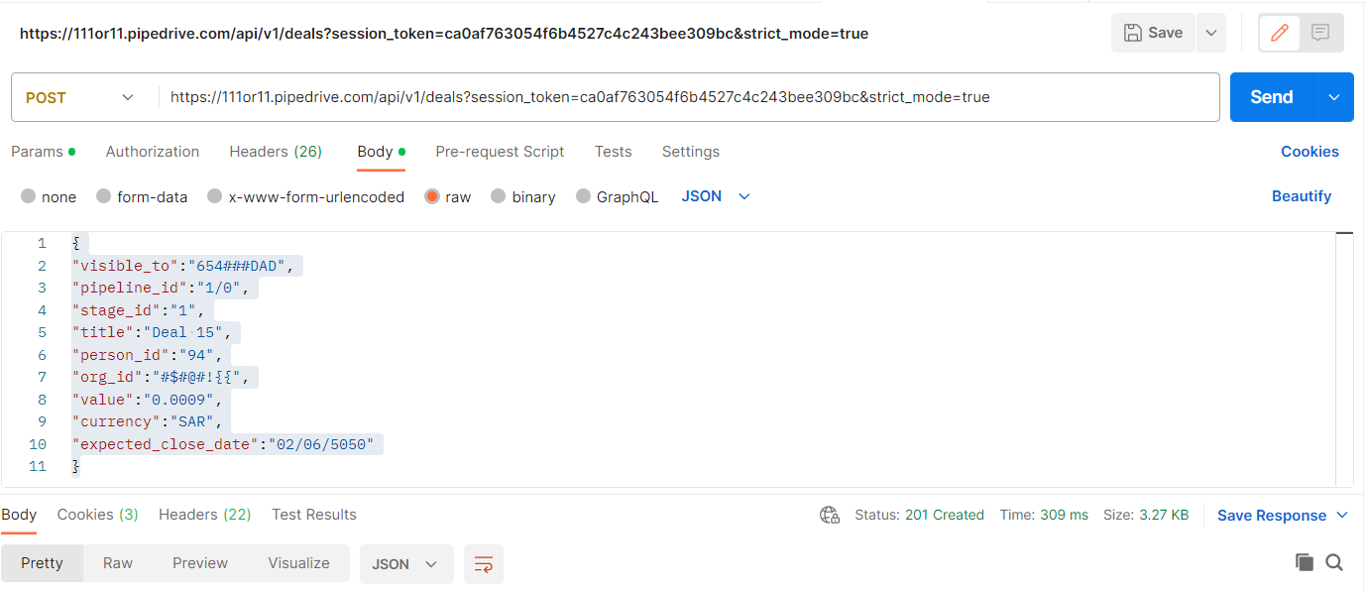 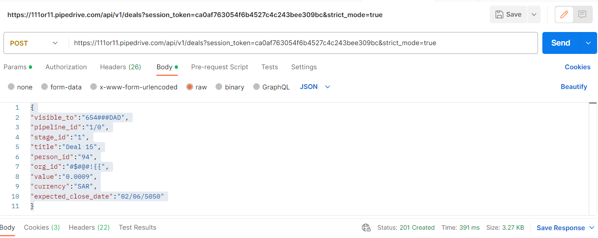 | Performance can be improved by reducing the latency or response time | Fahad Alamgir

